Facts
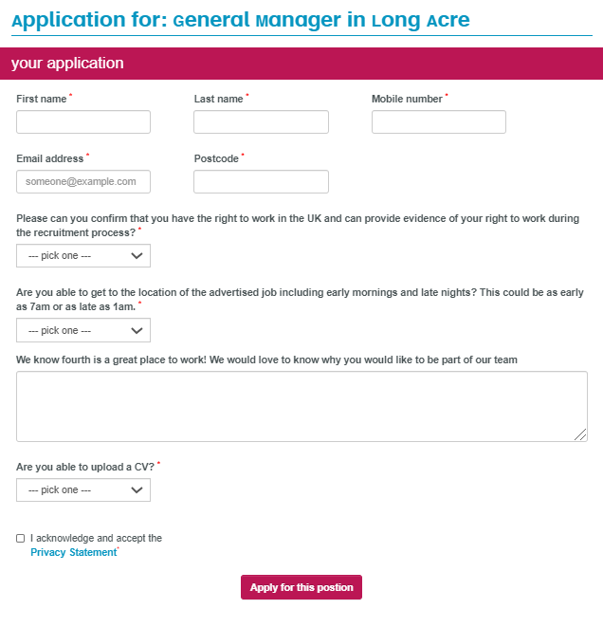
Application Form

This template is used to capture all question and all answer options for each of your required application form(s). There is one row per question and one worksheet per application form.
• An Application Form can be as simple or as complex as needed. • Recruitment Processes can have different Application forms but they do not have to. If you want to have differnet application forms please use one worksheet per application form and rename the worksheet accordingly. (i.e. Application Process Hourly &Manager) • We recommend scoring for at least one question for vacancies with a high volume of applicants. Scoring will help managers to prioritise certain candidates over others. • To ensure we capture all necessary information from each candidate for your business and for the Fourth HR integration, we separately ask you to confirm a New Starter Form during the implementation process. The New Starter Form is used during the offer and digital contract signing stage to capture any other personal information required for the HR integration (i.e NI number), which are not captured in the Application form. This means, that if desired, certain fields such as Full Address can be excluded from the Application form and instead, captured through the New Starter Form. Please don't unhide, delete or add any columns! If something is not required please leave it blank.
Question Types - Explained

Textbox - answer space for one line of text (e.g. candidate's name) 128 characters max
Textarea - answer space for a larger amount of text (e.g. why do you want to work here?) 6500 characters max
Select - drop-down where candidate selects one of the answers (i.e. yes or no answer)
Date picker - select a date from the calendar (e.g. graduation date)
CV Upload - for uploading a cv
Example of an application form from a candidates' perspective:

